Remarks
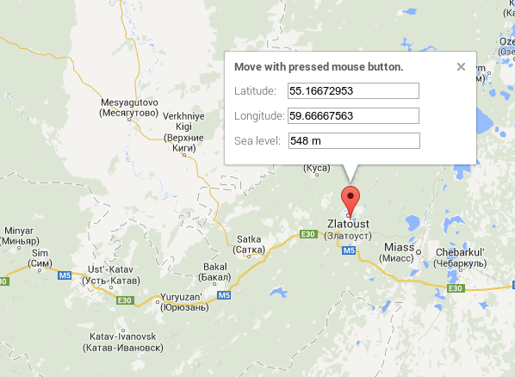
Year | Latitude | Lon (from Greenwich) | Altitude (meters)
1837
1838 | 55° 11' | 59° 40'
1839 | 55° 11' | 59° 40'
1840
1841 | 55° 11' | 59° 40'
1842
1843
1844
1845
1846
1847
1848
1849
1850
1851
1852
1853
1854
1855
1856
1857
1858
1859
1860
1861 |  |  |  |  | The location of the station probably stays the same. And the variation in elevation is probably attributed to different measurements of altitude through time.
1862
1863
1864 |  |  |  | (feet) | 1869 Message
1865 | 55° 10' | 59° 40' | 419.7 | 1200 | Le altitude de la cuvette du baromètre au-dessus de la mer est restee la meme comme pour les annees precedentes mais d'apres une nouvelle determination barometrique (1873) elle a ete trouve en pieds russes: 1377' | The altitude of the basin of the barometer above sea has remained the same as in the previous years but after a new barometric determination (1873) it was found in Russian feet: 1377' = 419.7 meters
1866 | 55° 10' | 59° 40' | 419.7 | 1444.1
1867 | 55° 10' | 59° 40' | 419.7 | 1444.1
1868 | 55° 10' | 59° 40' | 419.7 | 1444.1
1869 | 55° 10' | 59° 40' | 419.7 | 1377
1870 | 55° 10' | 59° 40' | 440.1 | ?
1871 | 55° 10' | 59° 40' | 440.1 | ?
1872 | 55° 10' | 59° 40' | 440.1 | ?
1873
1874 | 55° 10' | 59° 40' | 415.4
1875 | 55° 10' | 59° 41' | 415.4
1876 | 55° 10' | 59° 41' | 415.4
1877 | 55° 10' | 59° 41' | 415.4
1878 | 55° 10' | 59° 41' | 407.2 | ?
1879 | 55° 10' | 59° 41' | 407.2 | ?
1880 | 55° 10' | 59° 41' | 400.7 | ?

